Sheet1
HBA closeout deal
Item Image | Item Name | Description | UPC Code | Case Pack | Case Cube | Price | SPECIAL (60% Off) | Quantity Available | ITEM IMAGE LINK | Retail Price | Retail Link
 | RELTLACH | 36"x12" EXFOLIATING WASH CLOTH ASST COLORS C/P 30 | 741021006878 | 30 | 0.46 | $1.00 | $0.49 | 167,339 | Item Image Link | Amazon & Walmart: $7 | Amazon Link
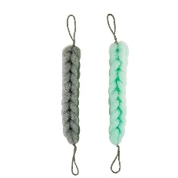 | 7912A | EQUATE NET BATH STRAP ASST COLORS C/P 36 | 681131173780 | 36 | 1.92 | $1.63 | $0.75 | 2,196 | Item Image Link | At Walmart : $8.07 | Walmart Link
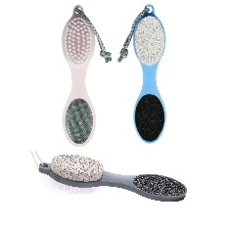 | 7908A | EQUATE 4in1 FOOT WAND ASST COLORS C/P 72 | 681131169547 | 72 |  | $1.25 | $0.59 | 39,311 | Item Image Link | at Walmart: $5 | Walmart Link
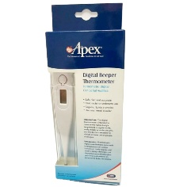 | 70033B | APEX WHITE DIGITAL BEEPER THERMOMETER C/P 144 | 76855700334 | 144 | 1.69 | $1.50 | $0.69 | 47,520 | Item Image Link | $12.99 | Retail Link
 | 70033BPKG | APEX WHITE DIGITAL BEEPER THERMOMETER C/P 24 | 76855700334 | 24 |  | $1.50 | $0.69 | 4,776 | Item Image Link | $12.99 | Retail Link
 |  |  |  |  |  |  |  | 261,142

